Tabelle1
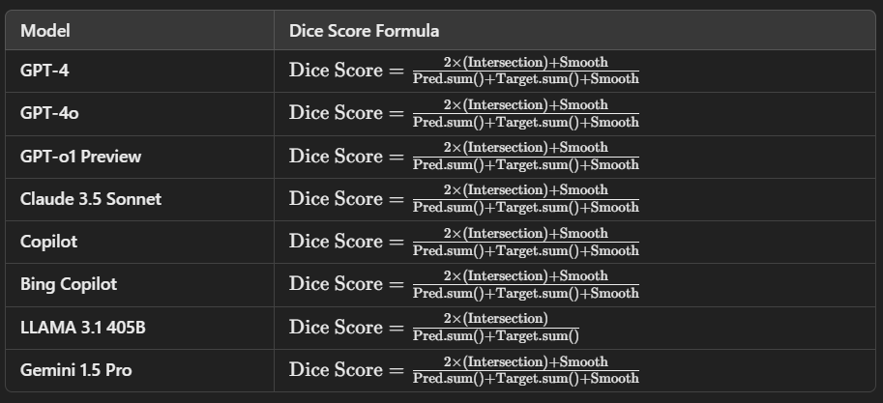
Aspect | GPT-4 | GPT-4o | GPT-o1 Preview | Claude 3.5 Sonnet | Copilot | Bing Copilot | LLAMA 3.1 405B | Gemini 1.5 Pro
Dice Score Computation | pred\*targetpred \* targetpred\*target intersection, smooth 1e-6, 2\*intersection/(pred.sum+target.sum)2 \* intersection / (pred.sum + target.sum)2\*intersection/(pred.sum+target.sum) | Same formula with smooth 1e-6, post-interpolation on outputs | Dice coefficient: reshape pred and target, smooth 1e-6 | Flatten, sum intersections, smooth 1e-5 | pred.view,target.viewpred.view, target.viewpred.view,target.view, smooth 1. | Same as GPT-4 (2 * intersection / (pred.sum + target.sum)), smooth=1 | Similar to GPT-4, post-interpolation on masks, no smoothing | Flatten, calculate intersection and union, similar to GPT-4
Training Loop | Per-epoch: Optimizer.zero_grad, forward pass, backward, update optimizer | Same, but includes interpolation of outputs to match mask size | Optimizer.zero_grad, forward, backward, optimizer.step(), loss printed | Same, with tqdm for progress tracking and post-epoch loss report | Similar with optimizer zero grad, loss calc, tqdm for visualization | Same as GPT-4, includes mask interpolation and progress tracking | Standard training loop with interpolation of masks to match output size | Similar to GPT-4 and others, optimizer zero_grad, tqdm for progress
Validation | Validation similar to training: forward, loss calc, dice calc, smooth | Same, but interpolation is done before loss computation | Outputs > 0.5 float for binary predictions, Dice score per batch | Uses Dice Coeff per batch, smooth 1e-5 | Evaluates dice scores and validation loss separately per epoch | Includes resizing and interpolation before dice score | Resizes masks, calculates dice score after applying threshold (0.5) | Validation includes dice calculation, outputs thresholded
Test Method | Similar to validation: forward, dice computation, loss | Forward pass, outputs thresholded after interpolation | Test reports dice score for each sample | Similar to validation with dice coefficient calculation | Similar to validation with dice score and visualization of predictions | Forward pass, dice coefficient calculated after resizing | Similar to validation, outputs thresholded and interpolated | Test similar to validation, outputs are thresholded (0.5)
Loss Function | Custom criterion passed into training (e.g., BCE or Dice loss) | Custom criterion, interpolation done before loss | BCE + Dice Loss typically passed | Custom criterion, BCE or Dice Loss can be used | Loss passed as criterion (BCE) | BCE or Dice Loss function as criterion | Custom loss function with interpolation | Criterion (e.g., BCE or Dice), interpolates masks before computing loss
Optimizer | Adam typically, zero_grad(), backward(), optimizer.step() | Same, Adam optimizer | Adam or SGD | Same as GPT-4 | Optimizer.zero_grad(), Adam optimizers used for training | Adam optimizer with zero_grad, backpropagation step | Optimizer is Adam, with the same backpropagation step | Adam optimizer with standard zero_grad, backprop, and step
Visualization (Predictions) | Visualizes predictions with ground truth, saves plots as .png | Similar to GPT-4, saves predictions as images | Uses matplotlib to plot inputs, ground truths, and predictions | Similar plot and save of predictions with ground truth and output | Uses random samples to plot input, output, and ground truth | Visualization of input, output, and ground truth | Plots predictions, saves them as .png | Standard visualization of input, ground truth, predictions, and saving
Loss/Metric Saving | Saves losses and dice scores as .xlsx files | Same with dice scores and loss saved as Excel files | Losses and dice scores saved as .xlsx | Losses and dice scores are saved as .xlsx | Saves losses and dice scores as Excel | Same, saves training/validation losses and dice scores as .xlsx | Saves losses as .xlsx and also provides a loss plot | Losses and dice scores saved as Excel, also provides loss plots
Loss Plotting | Plots training and validation loss as line graph | Same, with matplotlib plot of train/validation loss | Losses plotted over epochs using matplotlib | Loss plotting with matplotlib, training and validation losses | Loss plot saved with matplotlib after each epoch | Same as GPT-4, uses matplotlib to save and visualize loss | Losses visualized using matplotlib, simple plotting | Same as others, losses plotted and saved using matplotlib
Post-Epoch Behavior | Saves model state dict, full model, losses, and visualizes predictions | Similar post-epoch: saving model, losses, dice, and predictions | Model state dict saved, also losses and predictions | Best model saved by validation performance, loss reports are saved | Saves model, plots, and losses after each epoch | Similar post-epoch behavior: saving model and loss plots | Saves the model and losses after each epoch, including predictions | Best model and losses saved, dice scores also stored
Dice Score Formulas:
GPT-4, GPT-4o, GPT-o1, Claude 3.5 Sonnet, Copilot, Gemini 1.5 Pro:
Dice Score=2×(Intersection)+SmoothPred.sum()+Target.sum()+Smooth\text{Dice Score} = \frac{2 \times (\text{Intersection}) + \text{Smooth}}{\text{Pred.sum()} + \text{Target.sum()} + \text{Smooth}}Dice Score=Pred.sum()+Target.sum()+Smooth2×(Intersection)+Smooth​
Intersection: Element-wise multiplication of thresholded predictions and targets.
Smooth: A small constant (usually 1×10−61 \times 10^{-6}1×10−6) to avoid division by zero.
LLAMA 3.1 405B:
Dice Score=2×(Intersection)Pred.sum()+Target.sum()\text{Dice Score} = \frac{2 \times (\text{Intersection})}{\text{Pred.sum()} + \text{Target.sum()}}Dice Score=Pred.sum()+Target.sum()2×(Intersection)​
No smoothing term in this case.
Intersection: Element-wise product of thresholded predictions and targets.
Key Differences:
Interpolation: Models like GPT-4o, Bing Copilot, and LLAMA perform output interpolation before calculating the Dice score to ensure output matches the target size.
Post-processing: Most models apply a threshold of 0.5 to their predictions before calculating the Dice score.
Smoothing: All models except LLAMA use a smoothing factor in the Dice score calculation to prevent division by zero.
This comparison provides a clear understanding of the minor variations in Dice score computation, training routines, and evaluation strategies across different models.

